Worksheet 1 - Read me
 RADS Data Dictionary & Mapping Template

This data dictionary has been developed to assist state and territory governments and local councils in adopting the Austroads Road Asset Data Standard (RADS). It comprises: Worksheet 2 - RADS data measures: A complete list of the data measures in RADS v4 and a mapping template for state and territory government and local councils to evaluate how closely their current data measures align with RADS. Worksheet 3 - Function groups & priority data sets: A breakdown of the number of RADS data measures per function group and PDS. Worksheet 4 - Priority data sets (PDS): An explanation of the Priority Data Sets (PDS) within RADS. Worksheet 5 - Reference code list (see Chapter 9 of RADSv4): A list of the reference codes (i.e. the allowable values for particular data measures). See column U of Worksheet 2 and column K of Worksheet 3. Worksheet 6 - Type: A list of the identifiers for one of various types of data, such as alphanumeric, integer or Boolean. See column R of Worksheet 2 and column H of Worksheet 3. Worksheet 7 - Common reporting requirements & example RADS algorithms: A list of common reporting requirements and the RADS algorithm for their calculation.
Editing inaccuracies within RADSv4 and the RADS Data Dictionary & Mapping Template Austroads has identified a number of minor inaccuracies within RADSv4 that are also reflected in the following worksheets. These inaccuracies will be corrected as part of future reviews to RADS. The following inaccuracies are in Worksheet 2. 1. Row 42 'Bridge width left of centreline' (br_wid_l) .Column K List of values (??) is incorrect. 2. Row 280 'Smooth travel exposure (STE)' (ste_network). There is no data attribute information against this data measure. 3. Row 355 'Type' (amen_type). column K: List of values (9:28) is incorrect. Code list 9.28 is a list for “Parking purpose". 4. Row 518 'Mounting type' (me_mount). Column K List of values (??) is incorrect. 5. Row 860 'Network name' (network_na) is a redundent duplicate. The correct data measure is row 859 'Network Name' (network_name). The following inaccuracies are in Worksheet 5. 1. Row 659 'Surface additive type - SX50'. Description should be ‘Fulton hogan paveflex 50 (proprietary)’ not ‘Fulton hogan paveflex’. - WAS CORRECT IN WORD 2. Row 660 'Surface additive type - SX60'. Description should be ‘Fulton hogan paveflex 60 (proprietary)’ not ‘Fulton hogan paveflex’. - WAS CORRECT IN WORD 3. Row 661 'Surface additive type – UNKN'. Description should be ‘UNKNOWN’ not ‘Fulton hogan paveflex’. - WAS CORRECT IN WORD 4. Row 662 'Surface additive type – XCS4'. Description should be ‘XCS 104’ not ‘(proprietary)’.- WAS CORRECT IN WORD 5. Row 663 'Surface additive type' - Description = UNKNOWN. To be removed. Covered by Row 661. 6. Row 664 'Surface additive type' - Description = XCS 104. To be removed. Covered by Row 662.
Disclaimer All information provided by Austroads is for general information purposes only and should not be relied upon as the basis for making business, legal or any other decisions. Whilst Austroads and its consultants endeavour to ensure that any and all information provided is accurate, neither Austroads nor its consultants make any representations or warranties of any kind as to the completeness, accuracy or suitability of any information provided. Austroads encourages stakeholders to undertake an internal evaluation of the information provided and consult with their asset management providers to confirm the accuracy of any mapping.

Worksheet 4 -Priority data sets
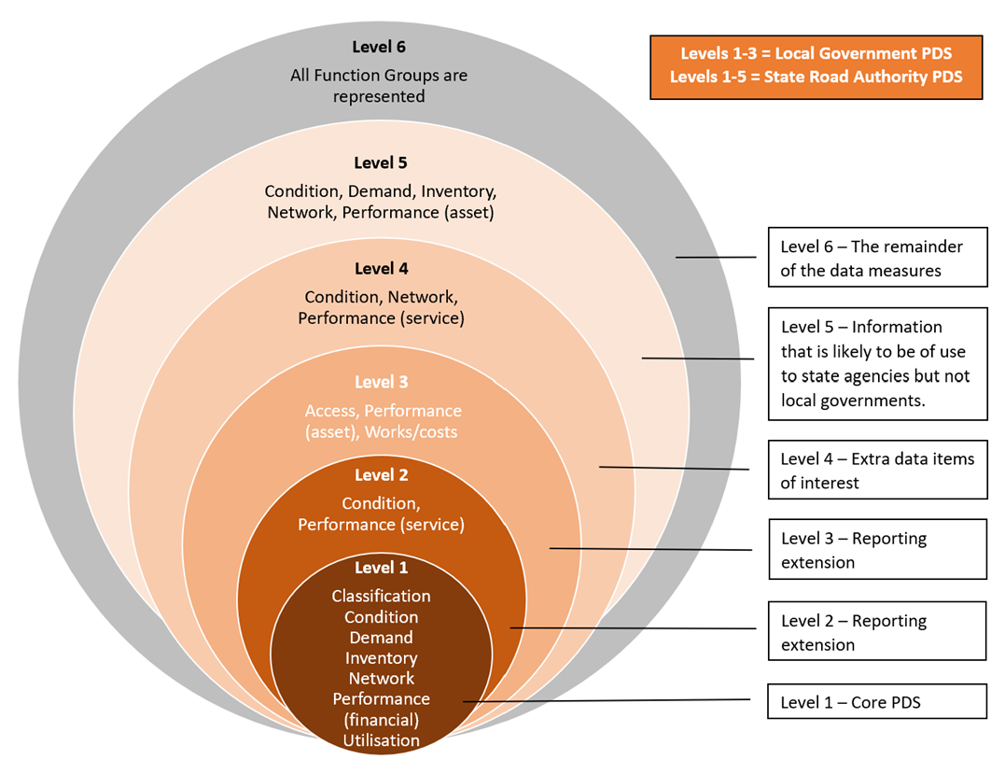
Worksheet 4 - Priority data sets (PDS)
The priority data sets are a series of smaller priority subsets of RADS that target the most important data for collection, harmonisation and sharing. The PDS are tailored respectively for local and state road managers. The table and diagram below shows the mapping between the data measures in the Austroads standard v 4.0 and the PDS levels. The levels 2-6 are indicative only and all levels are subject to change. The levels should be used as a guide to the utility of the data measures.

Level | Priority Data Set | Intent | User Group
1 | Core Priority Data Set | This PDS represents the most commonly used and collected road asset data. This supports minimum asset management and legislated asset management responsibilities. This information is not expected to change, or will only change rarely. | Local Government /State Road Authorities
2 | Extension 1 | Includes the Core PDS plus the most frequently used ‘condition’ and ‘performance (service)’ data. The condition measures include for cracking, pavement deflection and rutting path, outer wheel path, (between right and left wheel paths). This PDS includes further information about bridge condition. | Local Government /State Road Authorities
3 | Extension 2 | Includes the Reporting Extension PDS plus the most frequently used ‘works’, ‘costs’, ‘performance (asset)’ and ‘access’ data. This PDS contains a focus on forward works program data elements from the ‘works’ and ‘costs’ functional group. It includes ‘performance (asset) data measures that are often included in network performance reporting and analysis. Finally, it includes data related to access. | Local Government /State Road Authorities
4 | State Road Authority PDS | This PDS includes all 3 previous sets plus extra data measures of interest such as expanded condition data and data for bridges and tunnels. | State Road Authorities
5 | State Road Authority PDS | This PDS includes all 4 previous sets plus Information that is likely to be of use to state agencies but not local governments | State Road Authorities
6 | Remainder of standard | All remaining measures | State and Local

